Instructions and Guidance
Download save a copy of the Risk Assessment on Sheet 3 in the format: RA_CATEGORY_NAME_REFERENCE (RA_STAFF_GORDONOBRIEN_2020_BRMLASER)
Save completed RA as a PDF. Risk Assessments must be signed by you and your project supervisor.
Upload your signed RA to appropriate folder: |  | Completed Risk Assessments
A RISK ASSESSMENT is a written document that records a five-step process:
1. Identifying the hazards in the lab/workplace(s) under your control.
2. Estimate the risk, who might be harned and how.
3. Evaluate the risk using a 'risk matrix'. Are existing precautions adequate or do you need more.
4. Record your findings and implement them -actions to reduce or eliminate the risk.
5. Review your findings, update your RA if nexessary.
A HAZARD is anything that has the potential to cause harm
A HAZARDOUS EVENT takes place when someone of something interacts with the hazard resulting in harm.
Every hazare has a likelyhood and a consequence
LIKELIHOOD is a measure of the chance that a hazardous event will occur.
CONSEQUENCE is the outcome of the hazardous event.
RISK is the combination of the likelihood of a hazardoous event occuring and the consequence of the event.
Risk assessments should be completed using the IOSH (5 x 5) risk rating calculator.
Risk = Likelihood x Consequence
· Likelihood rating from 1- 5 (L)
· Consequence rating from 1-5 (C)
· Multiply these together to obtain a risk rating out of 25 (R)
Although the likelihood and consequence ratings are subjective, they must be realistic.
For the consequence rating, you should judge the foreseeable harm.
Your residual(new) risk rating is lower than your original risk rating.
Think carefully before you change the consequence rating. In most cases, the additional control measures will reduce the likelihood. The consequence (if harm does occur) will be the same.

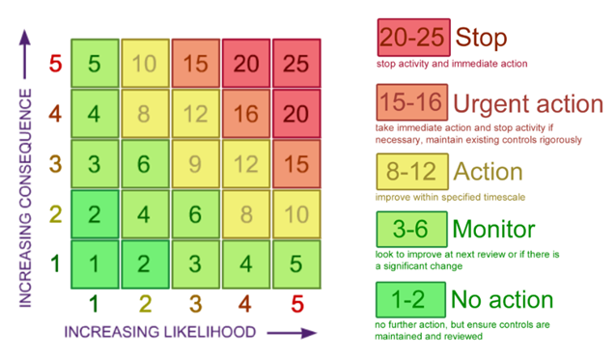
Risk = Likelihood x Severity
To estimate likelihood and severity the following ranking classification should be used:
Likelihood | Chance of the hazardous event happening
1. Very Unlikely | 1 in a million
2. Unlikely | 1 in a 100,000
3. Fairly Likely | 1 in a 10,000
4. Likely | 1 in a 1,000
5. Very Likely | 1 in a 100
Severity | Consequence
1. Insignificant | No injury
2. Minor | Minor injuries needing first aid
3. Moderate | Up to three days absence
4. Major | More than three days absence
5. Catastrophic | Life changing injuries or death

Steps to Reduce the Risk
1. Eliminate the Hazard where possible
2. Reduce the Hazard |  |  | team*
3. Reduce/Restrict access to the Hazard
4. Impliment SAFE Standard Operating Procedures(SOP)
5. Personal Protective Equipment

